Sheet1
Design Iteration # 1 (Details)

S# | File | Image | Brief | Printing Time | Qty. | Bore | Fastener
1 | Frame_block_v1 | 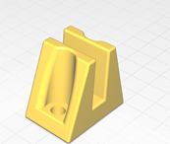 | This will be used to hold the side walls to the base. | 1 hr 32 mins | 6 | Hole 6.5mm Depth 7mm | Allen Bolt & Nut (or similar threading in base) M6 x 15 (2 bolts for each block)
2 | Frame_part1_v1 | 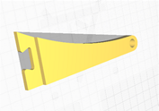 | All these three files will combine like a puzzle to form the side wall | 1 hr 13 mins | 2 | Holes 8.2mm | N/A
3 | Frame_part2_v1 | 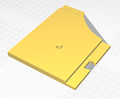 |  | 4 hrs 8 mins | 2
4 | Frame_part2_v1 | 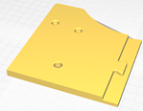 |  | 3 hrs 52 mins | 2
5 | Lever_part1_v1 |  | This acts like a pulley on which the roller is supposed to roll | 1 hr 26 mins | 2 | Holes 8.2mm Slot 6.2mm | See No.6, 7 & 9
6 | Roller_part1_v1 | 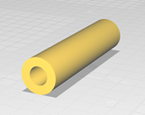 | The Red Roller in the diagram | 1 hr 39 mins | 3 | Hole 10.2mm Length 84mm | Allen Bolt & Nut with washers M8 x 110 (100mm shoulder) 1 set for each roller
7 | Roller_part2_v1 | 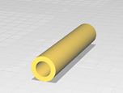 | The Gray Roller in picture. Will be adjusted across the ends of the rollers at top | 1 hr 0 min | 1 | Hole 9.2mm Length 74mm | Allen Bolt & Nut with washers M8 x 95
8 | Roll_Motor_v1 | 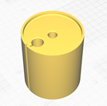 | Will be used at bottom. This will come on the wall of the Bracket. Will be connected to the motor- Enable to and fro motion | 12 hrs 15 mins | 1 | Shaft Hole 8.2mm Belt Hole 13mm | N/A
9 | Pressure_Cylinder_v2 | 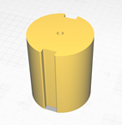 | The top most part that will be sliding on and pressing the ambu-bag. It will have replaceable rings. See No. 11 | 8 hrs 41 mins | 1 | Hole 5.8mm | Allen Bolt & Nut with washers M5 x 95 (84mm shoulder)
10 | Ambubag_Tray |  | This will hold the ambu-bag. It has slots which allow levers to move across. | 1 day 22 hrs 48 mins | 1 | Slots Width 10mm | N/A
11 | Pressure_Cilinder_ring_1 | 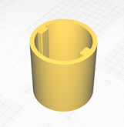 | Outer Dia. – 70mm | 8 hrs 47 mins | 1 | N/A
 |  |  | Outer Dia. – 80mm | 11 hrs 35mins | 1
 |  |  | Outer Dia. – 90mm | 14 hrs 55 mins | 1
 |  |  | Outer Dia. – 100mm | 18 hrs 25 mins | 1

